PPI Network (String-db)
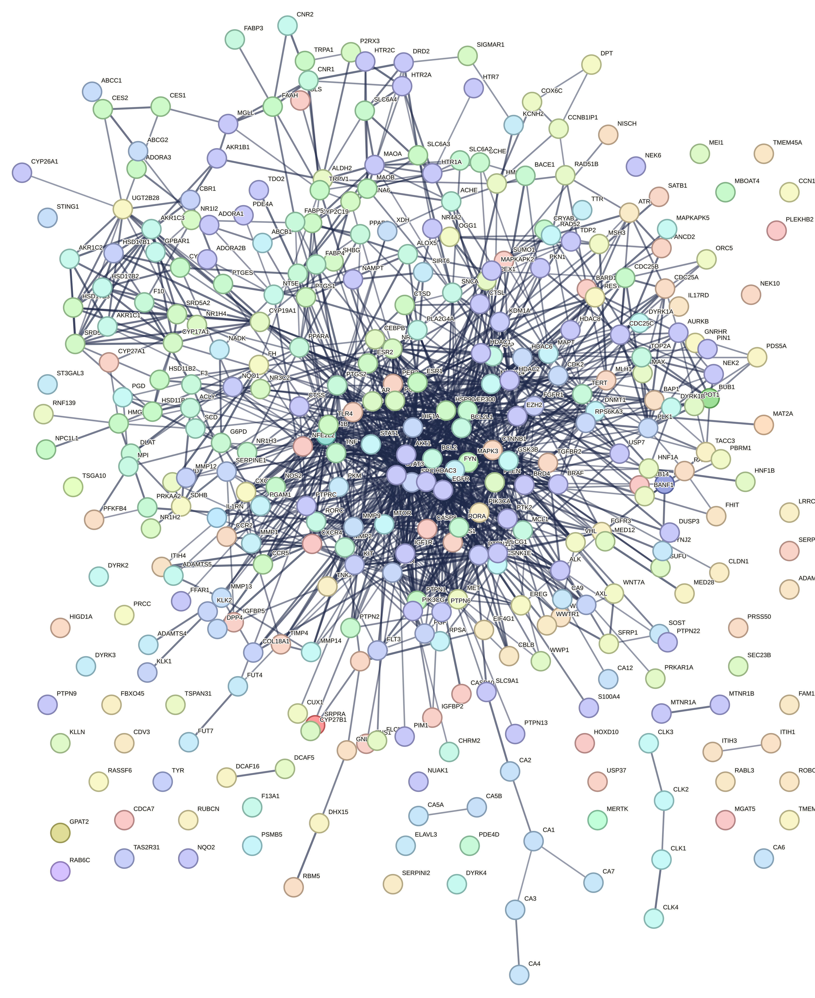
Overlapped Targets | All Targets

Visualisasi Cytoscape
Disease-compound network |  | Map of the core network
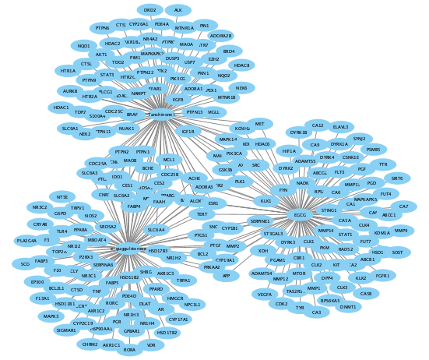
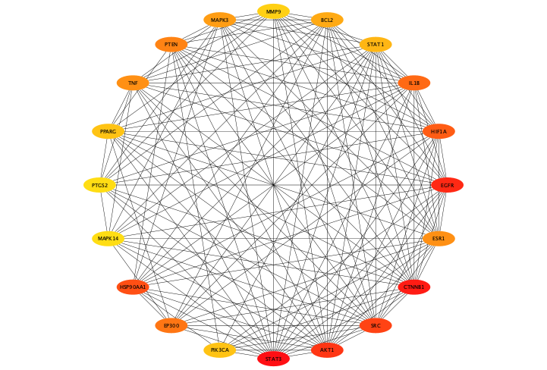

 | KEGG pathways enriched in the core network

